IntendedUses
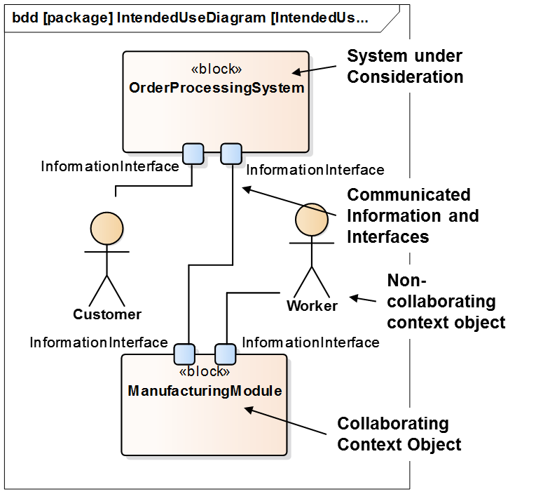
Possible Scenarios have been modelled with SysML bdd

